图面规格
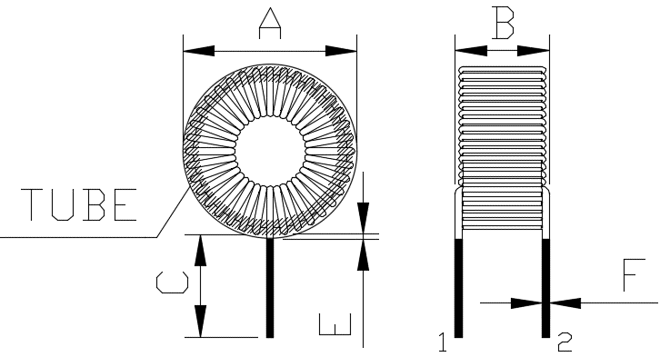
CUSTOMER |  | C |  |  | JIUFENG P/N : |  | T106-060-480uH-1.2双环
 | 1，MECHANICAL DIMENSION：(UNIT:mm)
 |  |  |  |  |  |  |  | DIMENSION:(mm)

 |  |  |  |  |  |  |  | A |  | 35MAX.
 |  |  |  |  |  |  |  | B |  | 31.5MAX.
 |  |  |  |  |  |  |  | C |  | 19REF.
 |  |  |  |  |  |  |  | E |  | 1.5MAX.
 |  |  |  |  |  |  |  | F |  | 1.2±0.1

备注：1，T106-060双环绕线
2，线圈需含浸；
3，产品外围套热缩套管，套管推荐尺寸φ35*33mm。
 |  |  |  |  |  |  |  |  |  |  |  | .

2.ELECTRICAL CHARACTER:
(1). INDUCTANCE :AT: 1KHZ 0.3V (TH2816B) (30Ω)
L(1-2):480uH±10%
(2). DC RESISTANCE : AT: 25 ℃
DCR(1-2): 80mΩMAX

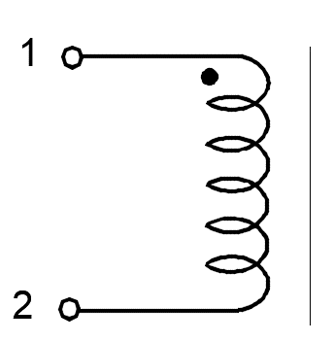

1.2*55TS REF.

中山市玖丰电子有限公司 ZHONGSHAN JIUFENG ELECTRONICS CO.,LTD. |  |  | DESIGN BY | CHANGE BY |  | APPROVED BY |  |  | CUSTOMER P/N
 |  |  | XXX | XXX |  | XXXX |  |  | DOCUMENT NO./Rev
 |  |  |  |  |  |  |  |  | DATE |  | 2022-06-06
 |  |  |  |  |  |  |  |  | SHEET_OF_ |  | 3/6

尺寸DATA
Rohs Compliant
中山市玖丰电子有限公司
尺寸测量分布报告

CUSTOMER:C |  |  | CUSTOMER P/N: |  |  |  | CUSTOMER REV: |  |  | TEST DATE:2022/6/6
PART NAME:CHOKE COIL |  |  | JF PART NO:T106-060-480uH-1.2双环 |  |  |  | JF REV: 01 |  |  | QUANTITY:5PCS
TEST ITEM | A | B | C | D | E | F | G | H | I | J | K
SPEC. | 35.00 | 31.50 | 19.00 |  | 1.50 | 1.20
 | MAX | MAX | REF. |  | MAX | ±0.1
01 | 32.69 | 28.19 | 19.15 |  | 0.15 | 1.00
02 | 32.25 | 28.38 | 19.14 |  | 0.20 | 1.01
03 | 32.39 | 28.44 | 19.02 |  | 0.16 | 0.99
04 | 32.40 | 28.45 | 19.06 |  | 0.22 | 1.00
05 | 33.44 | 29.29 | 19.13 |  | 0.24 | 1.02
06
07
08
09
10
X
σ
Cpk
1. TEST INSTRUMENTS:
■ HP-4284A METER
□ VR113G+VR712+VR712 METER
□ CH-101 LCR METER
□ CH-101+CH301 METER
□ CH-310 METER
■VR562 METER
■ CH-502B DCR METER
2.CONDITION
TEMPERATURE: 25℃
HUMIDITY: % RH

APPROVED BY |  |  |  | CHECKED BY |  |  |  | PREPARED BY
XXXX |  |  |  | XXXX |  |  |  | XXXX

特性DATA
Rohs Compliant
中山市玖丰电子有限公司
特性测试报告

CUSTOMER:C |  | CUSTOMER P/N: |  | CUSTOMER REV: | TEST DATE:2022/6/6
PART NAME:CHOKE COIL |  | JF PART NO:T106-060-480uH-1.2双环 |  | JF REV: 01 | QUANTITY:5PCS
TEST ITEM | L(1-2) |  | DCR(1-2)
TEST CONDITION | 1KHZ 0.3V |  | 25℃
SPEC. | 480uH ±10% |  | 110mΩ MAX |  |  |  | `
01 | 475.00 |  | 56.00
02 | 475.00 |  | 55.60
03 | 497.00 |  | 57.20
04 | 480.00 |  | 57.10
05 | 477.00 |  | 56.80
06
07
08
09
10
X | 480.80 |  | 56.54
σ | 8.304 |  | 0.631
Cpk | #REF! |  | #REF!
1. TEST INSTRUMENTS:
□HP-4284A METER
□HP-4285A METER
□HP-4191A METER
□CH-3200 METER
□CH-310 METER
□CH-3305 METER
■VR113+VR712 METER
■WK3260B+3265B METER
□VR562 METER
■CH-502B DCR METER
2.CONDITION
TEMPERATURE: 25℃
HUMIDITY: %RH

 |  |  |  | APPROVED BY |  | PREPARED BY
 |  |  |  | XXXX |  | XXXX

